Descriptive Stats Explained
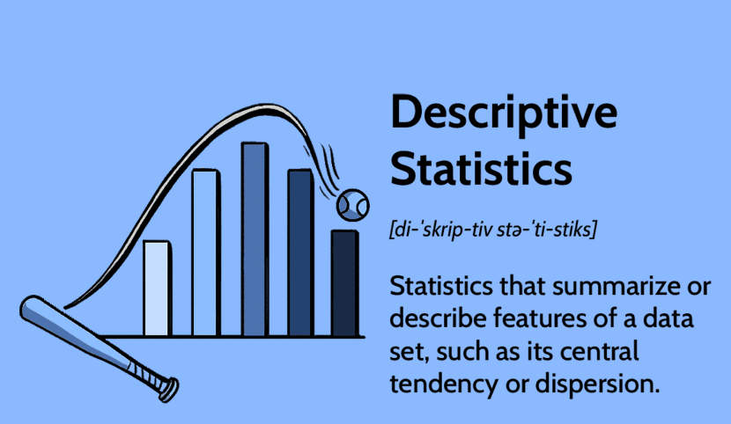
Mean | It is the average value of a set of numbers
Median | It is the middle value in a set of numbers
Mode | It is the value that appears the most in a set of numbers
Weighted Mean | It is a type of average that gives different weights to different values in a set
Geometric Mean | It is a type of average that is calculated by multiplying all the numbers in a set and taking the root of the result.
Range | It is the difference between the highest and lowest values in a set of numbers
Interquartile Range(IQR) | It is the difference between Q3 and Q1 of a set of numbers
Variance | It is the measure of how spread out the values in a set are from the mean
Standard Deviation | It is the measure of how spread out the values in a set are from the mean, calculated as a the square root of the variance
Coefficient of Variation | It is a measure of the spread of data.
Covariance | It is a measure of the joint variability of two variables
Correlation coefficient | It is a measure of the strength and direction of the linear relationship between 2 variables
Percentiles | It describes how a score compares to other scores from the same number set
Detecting Outliers | It shows the values that are different from the other values
Quartiles | It is the values that divide a set of data into four equal parts
Distributed Shape | It shows the way data is spread out. Such as symmetric, skewed
Histogram | It is a graph that show the distribution of data by grouping it into intervals
Box Plot | It is a graph that shows the distribution of data using median, quartiles and outliers
Five Number Summary | It shows the Minimum value, first quartile, median, third quartile and the maximum value of a set of data
Z-Score | It is a standardized score that shows how many standard deviations a value is from the mean
Normal distribution | It shows the distribution of data using mean and standard deviation
Skewness | Measures the symmetry of the distribution. Positive skewness indicates a longer right tail, while negative skewness indicates a longer left tail
Kurtosis | Measures the 'tailedness' of the distribution. Positive kurtosis indicates heavier tails than a normal distribution, while negative kurtosis indicates lighter tails
Frequency Distribution | Displays the frequency of each value or range of values in a dataset
Probability Distribution Function (PDF) | Defines the likelihood of a random variable taking a certain value or falling within a certain range
Cumulative Distribution Function (CDF) | Gives the probability that a random variable is less than or equal to a certain value.
Moments | Higher order moments beyond the first two (mean and variance) can provide additional insights into the shape of the distribution.
Confidence Intervals | Estimates the range within which a population parameter lies with a certain level of confidence.
Coefficient of Determination (R-squared) | Measures the proportion of the variance in the dependent variable that is predictable from the independent variable(s)

